ورقة1
Quality Sweater Company
Response Rate Vs Total Profit
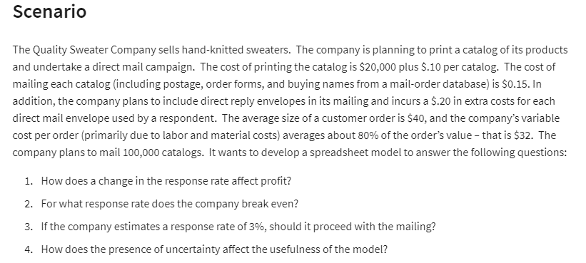
Inputs |  |  | Data Table
Costs : |  |  | Response Rata | Total Profit
Fixed | SAR 20,000.00 |  |  | SAR 4,455,600.00
Variable |  |  | 3.00% | -21600
print | SAR 0.10 | per catalog | 3.50% | -17700
Mailing | SAR 0.15 | per catalog | 4.00% | -13800
Replau | SAR 0.20 | per order | 4.50% | -9900
Efforts | SAR 32.00 | per order | 5.00% | -6000
Total cost | SAR 18,624,400.00 |  | 5.50% | -2100
 |  |  | 6.00% | 1800
 |  |  | 6.50% | 5700
Catalog | 100000 |  | 7.00% | 9600
Response Rate % | 577% | <---- Enter Value | 7.50% | 13500
Total Order | 577000 |  | 8.00% | 17400

Revenue :
Average order price | SAR 40.00
Total Revenue | SAR 23,080,000
Total Profit | SAR 4,455,600.00 |  | Interpration
 |  |  | break even point is at | 5.77%
 |  |  | if 3% the company will lose 21000 sar

